Sheet1
Event questionnaire
Date of filling out: *
The event’s organiser is fully responsible for information provided in this survey. This information will be placed in ticket sales programme of SIA Biļešu serviss. Columns marked with a red asterisk are mandatory.
Organizer:
Company *
Registration number *
Contact person *
Telephone number *
E-mail *
Public e-mail for customers *
Accountant's e-mail for invoices *

Event information
Section: * |  |  | Note! Choose only one section.

Event name *
(2 lines, 40 symbols per line maximum) |  | Used symbols: |  |  | 0

 |  | Used symbols: |  |  | 0
Event date *
Event time * |  | Beginning:
 |  | End:
 |  | Duration:
 |  | Break:
Entrance starting from *
 | Event language *

Age restrictions * |  |  |  |  | age of
Free of charge entrance for children * |  |  |  |  | age of
Place for a disabled person in a wheelchair *
Price for a disabled person in a wheelchair * |  |  |  | Eur |  | Eur
Number of places for disabled persons to be added
Event website
Event description in Latvian, Russian and English * |  | Send us a separate file: .doc format

Venue information:
Venue name *
Venue address *

Tickets and sale *:
Does the venue have seat layout? |  |  |  | Please submit a numbered seat layout in MS Excel format, with marked seats and prices that will be published when in sale
Placement of non-numbered seats for sale |  |  |  | quantity |  | price
Placement of non-numbered seats for sale |  |  |  | quantity |  | price
Placement of non-numbered seats for sale |  |  |  | quantity |  | price

Sell tickets additionally also in
Necessary for Lithuania and Estonia: |  | Name in English:

Discounts (for example, ISIC, students, pensioners, groups, family etc.): |  | Discount rate
(Discount type)
(Discount type)
(Discount type)
(Discount type)
(Discount type)

Visual materials:
Photo * |  | Add a separate file. 1 pc, .jpg , 555x800px
Video |  | Internet link from www.youtube.com.
Organiser's logo |  | Add a separate file.

NOTE! Should you have any other needs, wishes or remarks, please add them to the e-mail together with this questionnaire.
NOTE! Should you need ticket scanners or itinerant sales, please give us at least 5 day's notice.
Forward this form to your project manager

Ticket image
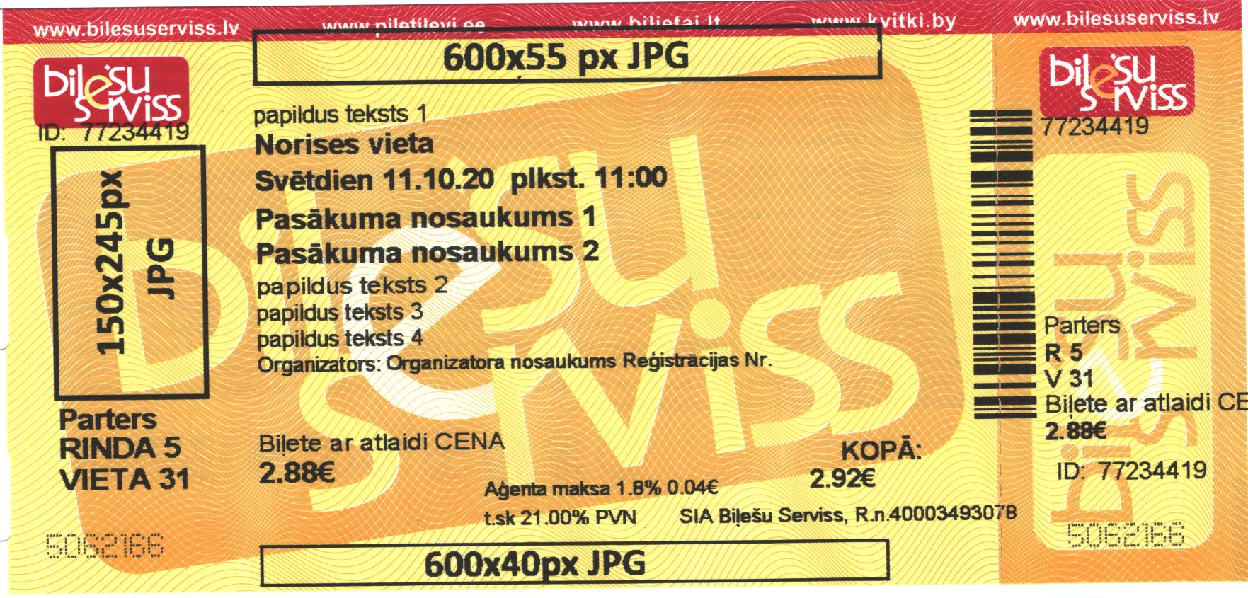 Note! Logos that will be printed on a ticket must be provided in JPG format and be in black and white colours. Logo on i-ticket may have other colours

 |  |  |  |  |  |  | Number of symbols used
Additional text 1 (45 symbols) |  |  |  |  |  |  | 0
*Venue (30 symbols) |  |  |  |  |  |  | 0
*Date and time (40 symbols) |  |  |  |  |  |  | 0
*Event name 1 (40 symbols) |  |  |  |  |  |  | 0
Event name 2 (40 symbols) |  |  |  |  |  |  | 0
Additional text 2 (45 symbols) |  |  |  |  |  |  | 0
Additional text 3 (45 symbols) |  |  |  |  |  |  | 0
Additional text 4 (45 symbols) |  |  |  |  |  |  | 0
*Organiser's name and registration number (45 symbols) |  |  |  |  |  |  | 0
 |  |  |  |  |  |  | 0

